Menu Flyer
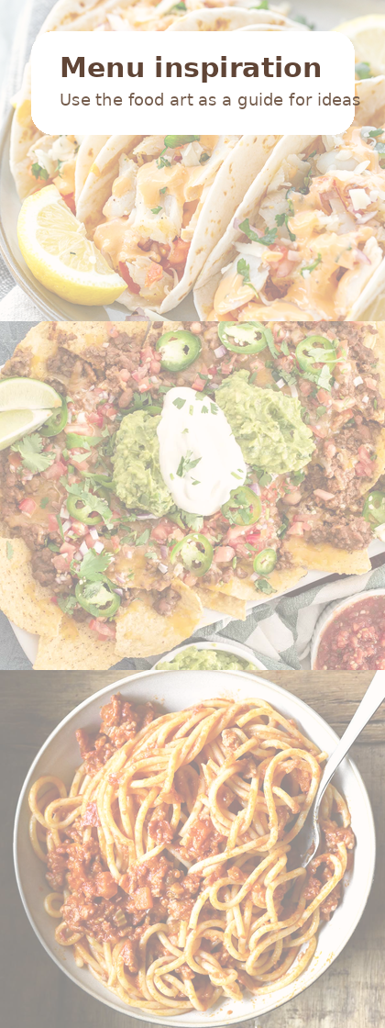
Type in the white boxes. Change the start date below to update the whole week.
Week Start Date | 4/10/26 | Change cell B5 only
 | 4/10/26 | 4/11/26 | 4/12/26 | 4/13/26 | 4/14/26 | 4/15/26 | 4/16/26
 | Friday | Saturday | Sunday | Monday | Tuesday | Wednesday | Thursday
Breakfast | Type breakfast idea
Lunch | Type lunch idea
Snack | Type dinner idea
Dinner | Type dinner idea

Grocery List (based on the menu above) | Qty / Pack | Estimated Cost | Menu Item / Use | Notes | Quick reminders
Grocery Item | 1 pack | $6.99 | Nachos / tacos | Example row | • Use one row per ingredient or store item.
Bagels |  |  |  |  | • Enter the estimated cost in column C.
 |  |  |  |  | • Total, Budgeted Amount, and Difference calculate automatically below.

 |  | $6.99 | Sums all estimated prices
Estimated Grocery Total |  | $150.00 | Type your target budget here
Budgeted Amount |  | $143.01 | Under budget
Difference
Tip: As you choose meals above, list each ingredient once below and estimate the price you expect to pay.

