The Basic of Sig Test
The Basic of Significant Testing

Imagine this:

You bake two cakes, A and B.
You ask your friends which one is tastier.

You want to know: Is A different from B?

Or you want to know: Is A better than B?

Two-tailed test = “any difference counts”

Question: “Are the cakes different, in either direction?”

Maybe A is better, maybe B is better — we don’t care which way.

You split your “surprise allowance” (α = 0.05) into both tails of the curve (2.5% on the left, 2.5% on the right).

Harder to reach significance, because you’re testing both directions.

One-tailed test = “only one direction matters”

Question: “Is A better than B?” (and you don’t care if B is better).

You put the whole α = 0.05 on one side of the curve.

Easier to reach significance, but you must commit before seeing the data.

If it turns out B > A, a one-tailed test will not flag it, even if the difference is huge.

Super-simple analogy

Two-tailed = you look for surprises on both ends of the road.

One-tailed = you only look one way down the road.

If the surprise comes from the other side, you’ll miss it.

✅ Rule of thumb

Use two-tailed by default (most common).

Use one-tailed only if:

1. You had a clear directional hypothesis before collecting data.

2. You truly don’t care about the other direction.

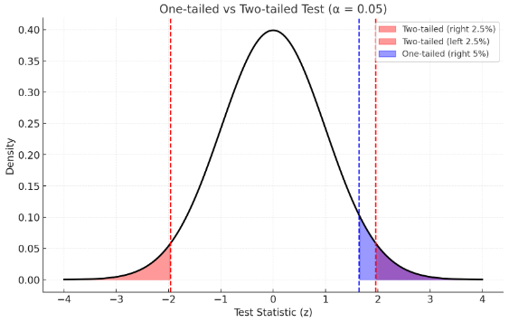

Here’s a visual:

Red areas = two-tailed test (you split α = 0.05 into 2.5% on each side).

Blue area = one-tailed test (all 5% on the right side).

So:

Two-tailed asks: “Is it different, in either direction?”

One-tailed asks: “Is it bigger in this one direction only?”

