How to use
Sankey Smart Excel Template - How to Use

General Remarks

 | Sankey charts allow to visualize flows of data between nodes via links.
 | Therefore, these charts represent not one but two interdependent variables (links & nodes).

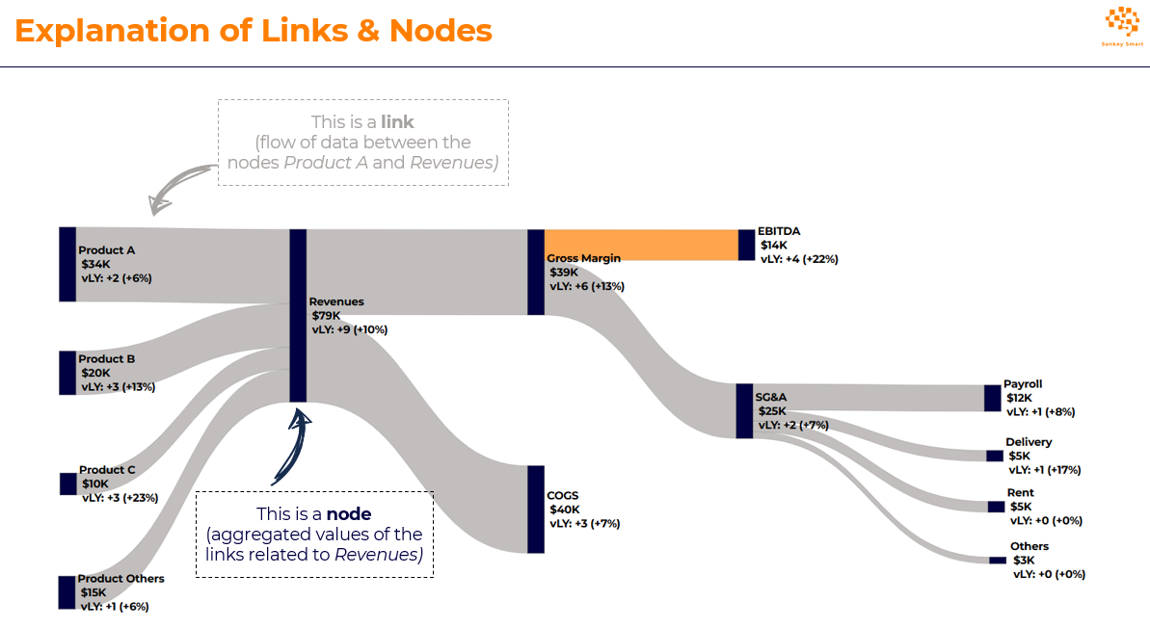

 | This template is intended to be used with the Sankey Smart Online Editor. |  |  |  | ► | Sankey Smart - Online Editor
 | Before uploading this template into the Online Editor, 3 tabs must be updated:

 |  | • Links |  | Flows of data between two nodes
 |  | • Nodes |  | Aggregated or individual values of links
 |  | • Settings |  | Graphic parameters (text font, text size, etc.)

 | In each of these tabs, some columns must be updated by the user while others are automatically updated:

 |  |  | To be updated by the user

 |  |  | Automatically updated (do not edit)

 | See below brief instructions about how to update the tabs Links, Nodes, and Settings.
 | For more detailed instructions, please access Sankey Smart's website: |  |  |  | ► | Sankey Smart - How to Use

Links Update

 | Step 1 | Define the origins and destinations of your data (e.g., from Revenues Product A to Total Revenues, from Total Revenues to Gross Margin, etc.).

 | Step 2 | Indicate the numerical value associated with each link (e.g., $34 from Revenues Product A to Total Revenues).

 | Step 3 | Optionally, indicate the numerical value for comparisons (e.g., vs Last Year, vs. Plan, vs. Budget, vs. Benchmark, etc.).
 |  | 2 columns are made available: for example, use one column for variation vs. Last year Actuals, and another column for variation vs. Budget.
 |  | In the Online Editor, you will have the possibility to select whether you want to show no variation at all, one variation, or two variations.

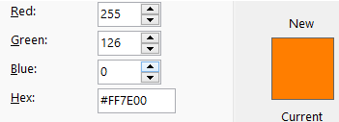
 | Step 4 | Define the color of each link based on the hexadecimal color code (Hex).
 |  | For example, the RGB color code of Sankey Smart's orange is 255 126 0, while the Hex code is #FF7E00.
 |  | Tip: use the brand colors per official color palette of your company/client.

 | Check | If the tab "Links" is properly updated, the following message will appear on top: |  |  |  |  | Yes, Links are updated properly

 |  | If the inputs are not appropriate (e.g., no value indicated for a link), error messages will appear: |  |  |  |  | Links Error - XXX

 |  | For an overview of frequent update errors, acess Sankey Smart's website: |  |  |  | ► | Sankey Smart - How to Use

Nodes Update

 | Step 1 | Define the nodes layering to decide where each node will appear horizontally (from left to right).
 |  | For exemple, Revenues of Products A/B on layer 1, then Total Revenues on Layer 2, then COGS & Gross Margin on Layer 3, etc.
 |  | The nodes layering is indicative only. In the Online Editor, you will be able to manually adjust the localisation of each node.

 | Step 2 | Define the color of each node based on the hexadecimal color code (Hex).

 | Step 3 | Optionally, include free text for additional information.
 |  | For example, if you want to show that Gross Margin amounts to 40% of Sales, you can write "20% of Sales."
 |  | As another example, if you want to show that SG&A leveraged by -50 bps vs Budget, you can write "-50 bps vBudget."
 |  | If you don't want to include additional information for specific nodes, leave the columns F/G blank.

Settings Update

 | Step 1 | Select text font.

 | Step 2 | Indicate whether you want to show a comparison (Variation 1, Variation 2).
 |  | For illustrative purposes, in this template, Variation 1 corresponds to "vLY" (vs last year) and Variation 2 to "vBudget" (vs. Budget).
 |  | You can customize the names of these variations (e.g., YoY, vs LY, vs PY, vPlan, vs Plan, vs Forecast, vs Benchmark, etc.).

 | Step 3 | Select decimals (e.g., show 1, 1.1, or 1.08).
 |  | Define prefix and suffix (currency or %, thousands, millions, etc).

 | Step 4 | Optionally, you can give a title to your chart.

 | Step 5 | Define the links spacing: the bigger the spacing, the thinner the links; the smaller the spacing, the thicker the links.
 |  | If you don't know what spacing to use, using "60" as per this template is probably a good start.

 | Note | All these settings can be defined and re-adjusted in the Online Editor as well.

