Sheet1
 | Arm (in.) | Weight (lb) | Moment | FOR PLOT
Basic Empty Weight | 85.21 | 1337.98 | 114009.2758 |  | Envelope
Oil (6 qts) | 32.5 | 11 | 357.5 |  | Inches | Pounds
Pilot & Front Passenger | 85.5 | 310 | 26505 | Normal
Rear Passenger(s) | 117 | 135 | 15795 |  | 84 | 1200
Fuel (6lb/gal) | 95 | 300 | 28500 |  | 84 | 1650
Baggage (Rear Passenger Seat, max 200)* | 117 | 25 | 2925 |  | 85.75 | 1975
Baggage (Aft of Rear Passenger, max 100)* | 133.3 |  | 0 |  | 88.75 | 2150
 |  |  |  |  | 95.75 | 2150
Totals |  | 2118.98 | 188091.7758 |  | 95.75 | 1200
Takeoff GW and CG | 88.76524356 | 2118.98
Zero Fuel GW and CG | 87.73696016 | 1818.98 |  | Utility
 |  |  |  |  | 84 |  | 1200
* Utility Category No Baggage or Rear Passengers |  |  |  |  | 84 |  | 1650
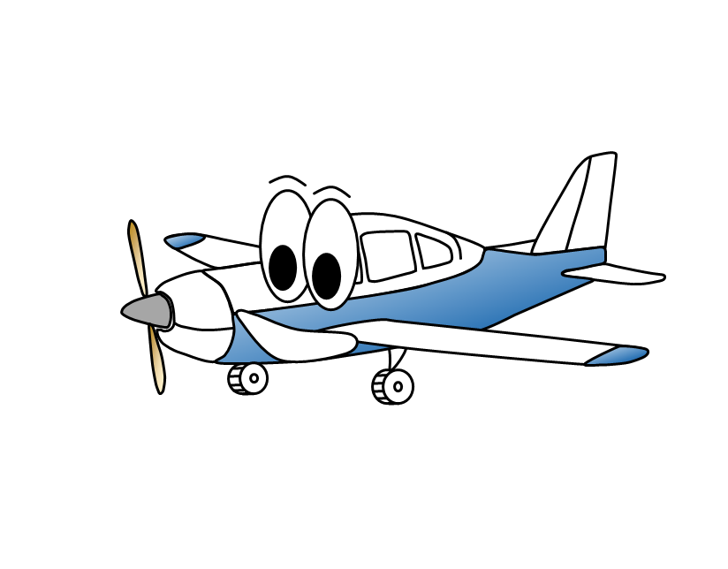
 |  |  |  |  | 85.62 |  | 1950
 |  |  |  |  | 86.5 |  | 1950
 |  |  |  |  | 86.5 |  | 1200

 |  |  |  | Totals
 |  |  |  |  | 88.76524356 |  |  | 2118.98 | Takeoff
 |  |  |  |  | 87.73696016 |  |  | 1818.98 | Zero Fuel

