Introduction
Basic terms in BINOMIAL TREE OPTION PRICING

a.) Time to Maturity (T)
It represents the total time to maturity of the option.
It is the period from the Curretn Date to the Expiration Date
It is generally expressed in years

b.) Number of time steps (N)
It represents the number of discrete time steps or intervals into which the toal time to maturity (T) is divided
At each step the underlying asset can go either UP or DOWN (only 2 possibilities)
The number of steps (N) affects the accracy and computational complexity of the Model.
Higher value of N - More is the Accuracy

c.) Risk-Neutral Probability (P)
It represents the hypothetical Probability Measure under which the present value of the expected future payoff of a financial asset - when discounted at the risk-free rate - is equal to the current market price of the underlying asset.
"P" - is used to Discount the Cashflows

Methodology for Pricing Binomial Tree

1.) Parameters |  |  | 2.) Calculate the Time Steps | 3.) Calculate the UP & DOWN factor

S0 | Current Price of Underlying Asset |  | delta t = (T/N) | UP factor- u | u = e ^ (S.D.)*(sqrt of [T/N])
 |  |  |  | DOWN factor- d | d = 1/u
K | Strike Price

T | Time to Expiry (Yrs.)

r | Risk-free Rate

Std. Dev. | Volatility of the Underlying Asset

N | No. of time steps in the Model

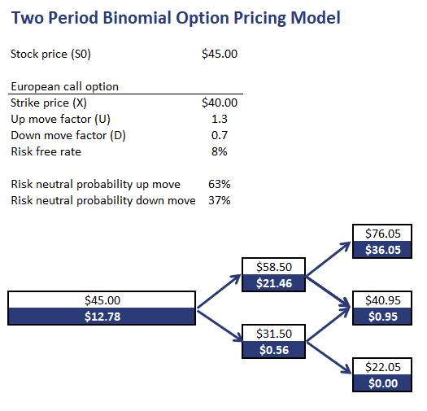
4.) Calculate the Risk-Neutral Probability (P) |  |  | 5.) To construct a Binomial Tree |  |  | 6.) Calculate Option Payoff | 7.) Back Propagation from Maturity to Present
 |  |  | An Example through a picture is shown below
P = (er*delta T - d) / (u-d) |  | (Prob. Of UP move) |  |  |  | European Call Option | Start moving backwards from the final step (Option Payoff), computing the option value at each node.
 |  |  |  |  |  | max(St - K, 0) | You are discounting the current payoff by the Risk-Neutral Probability
1 - P |  | (Prob. Of DOWn move)
 |  |  |  |  |  | European Put Option
UP movement (u) - use 'p' for Discounting |  |  |  |  |  | max(K - St, 0)
DOWN movement (d) - use '1-p' for Discounting
 |  |  |  |  |  | These formulas are only used at maturity of the Option

