Welcome
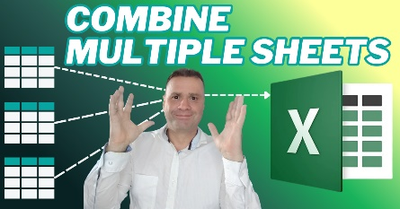
 |  |  | Automation Tools
 | ✅ Welcome to Your Free Download!
 | Combine Multiple Excel Sheets |  | https://youtu.be/KyZEnnUY7M0

Thanks for checking out this resource — it’s designed to help you learn, experiment, and explore Excel.
💡 StratModExcel creates financial models, dashboards & strategy tools to save you time and help you make smarter business decisions.
Follow us:
YouTube | 🔗 More Free Tools → | Downloads & Resources
LinkedIn | 📘 Articles & Tutorials → | Blogs, Tutorials & Dashboards
Facebook | 🎥 Walkthus & Videos → | Videos & Walkthrus
Instagram | 🛒 Explore Our Shop → | Models & Tools
X
Pinterest | 👉 Explore more at | https://stratmodexcel.com
Tiktok
Eloquens | ⚡ Enjoy the download — and happy modeling!

