Segments
By Country (INR Billion)

 | Country | 2021 | 2022 | 2023 | 2024 | 2025 | 2026 | 2027 | 2028 | 2029 | 2030 | 2031 | 2032 | 2033 | CAGR 2025-2033
 | India |  |  | 2869.51 |  |  |  |  |  |  |  |  |  | 8271.68 | 11.12%

By Building Type (INR Billion)

 | Building Type | 2021 | 2022 | 2023 | 2024 | 2025 | 2026 | 2027 | 2028 | 2029 | 2030 | 2031 | 2032 | 2033 | CAGR 2025-2033
 | Residential |  |  |  |  |  |  |  | 3590.98
 | Non-residential |  |  |  |  |  |  |  |  |  |  |  |  |  | 10.36%
 | Total |  |  | 2869.51 |  |  |  |  |  |  |  |  |  | 8271.68 | 11.12%

By Residential (INR Billion)

 | Residential | 2021 | 2022 | 2023 | 2024 | 2025 | 2026 | 2027 | 2028 | 2029 | 2030 | 2031 | 2032 | 2033 | CAGR 2025-2033
 | Multi-Unit Residential
 | Single-Family Detached
 | Affordable Housing
 | Rural Residential
 | Total |  |  |  |  |  |  |  |  |  |  |  |  |  | 11.40%

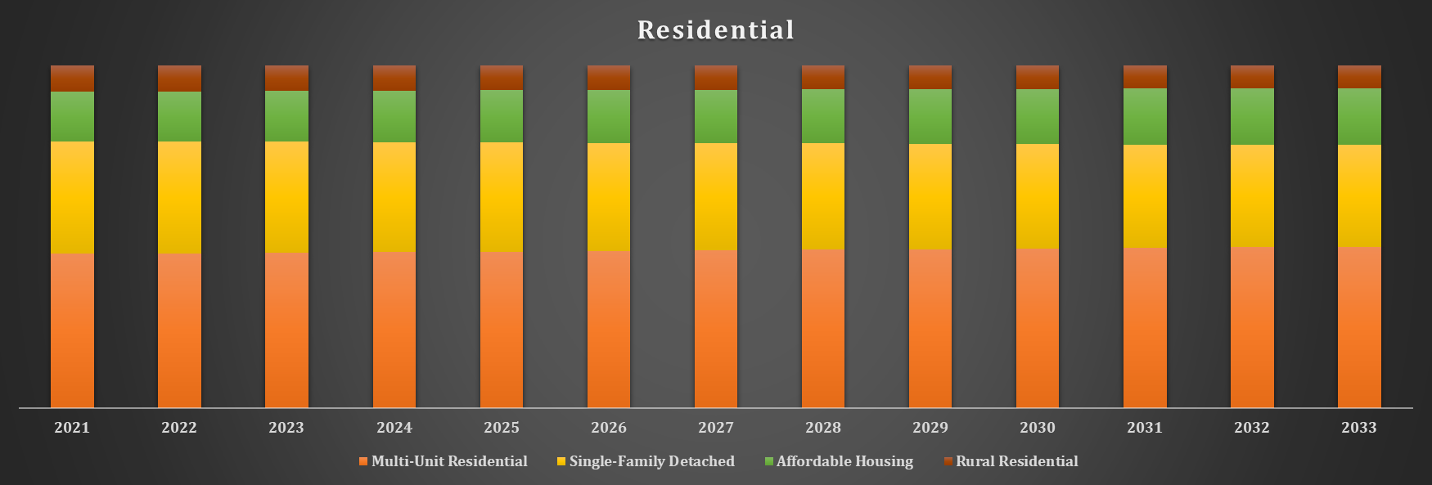

By Non-residential (INR Billion)

 | Non-residential | 2021 | 2022 | 2023 | 2024 | 2025 | 2026 | 2027 | 2028 | 2029 | 2030 | 2031 | 2032 | 2033 | CAGR 2025-2033
 | Commercial
 | Institutional
 | Total |  |  |  |  |  |  |  |  |  |  |  |  |  | 10.36%

By Product Type (INR Billion)

 | Product Type | 2021 | 2022 | 2023 | 2024 | 2025 | 2026 | 2027 | 2028 | 2029 | 2030 | 2031 | 2032 | 2033 | CAGR 2025-2033
 | Exterior Products
 | Building Systems
 | Interior Products
 | Solar Products
 | Other Product Types
 | Total |  |  | 2869.51 |  |  |  |  |  |  |  |  |  | 8271.68 | 11.12%

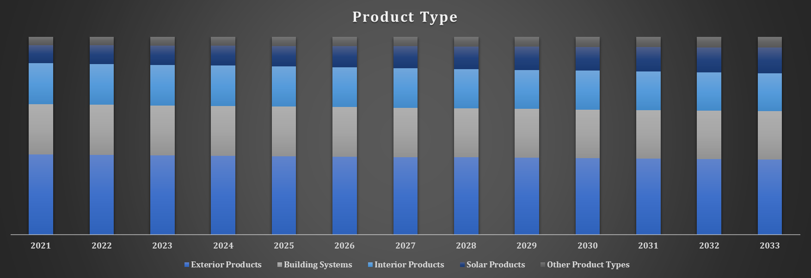

By Application (INR Billion)

 | Application | 2021 | 2022 | 2023 | 2024 | 2025 | 2026 | 2027 | 2028 | 2029 | 2030 | 2031 | 2032 | 2033 | CAGR 2025-2033
 | Roofing
 | Insulation
 | Flooring
 | Other Applications
 | Total |  |  | 2869.51 |  |  |  |  |  |  |  |  |  | 8271.68 | 11.12%

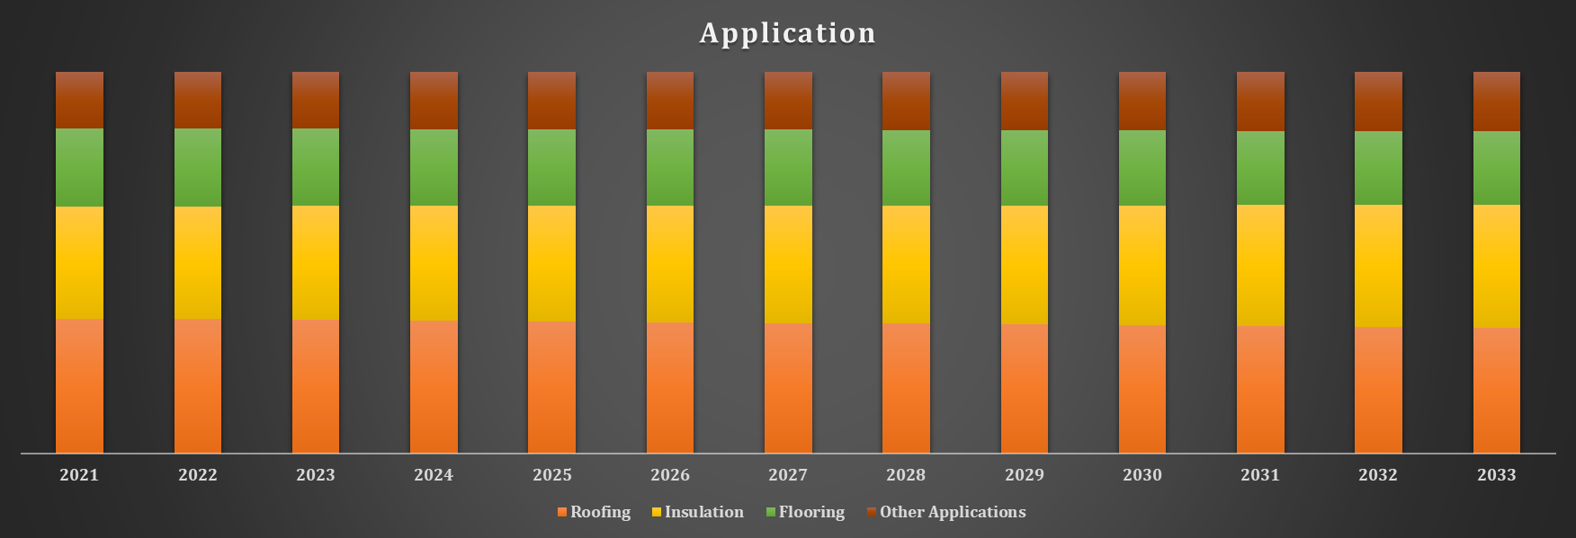

By Region (INR Billion)

 | Region | 2021 | 2022 | 2023 | 2024 | 2025 | 2026 | 2027 | 2028 | 2029 | 2030 | 2031 | 2032 | 2033 | CAGR 2025-2033
 | West & Central
 | South
 | North |  |  |  |  |  |  |  | 1356.53
 | East |  |  |  |  |  |  |  |  |  |  |  |  | 796.56
 | Total |  |  | 2869.51 |  |  |  |  |  |  |  |  |  | 8271.68 | 11.12%

