By Assay Type
By Assay Type (USD Million)

 | By Assay Type | 2021 | 2022 | 2023 | 2024 | 2025 | 2026 | 2027 | 2028 | 2029 | 2030 | 2031 | 2032 | 2033 | CAGR 2025-2033
 | Protein‑Based Assays
 | Nucleic Acid‑Based Assays
 | Cell‑Based Assays
 | Other Assay Types
 | Total |  |  | 220.07 |  |  |  |  |  |  |  |  |  | 500.98 | 8.47%

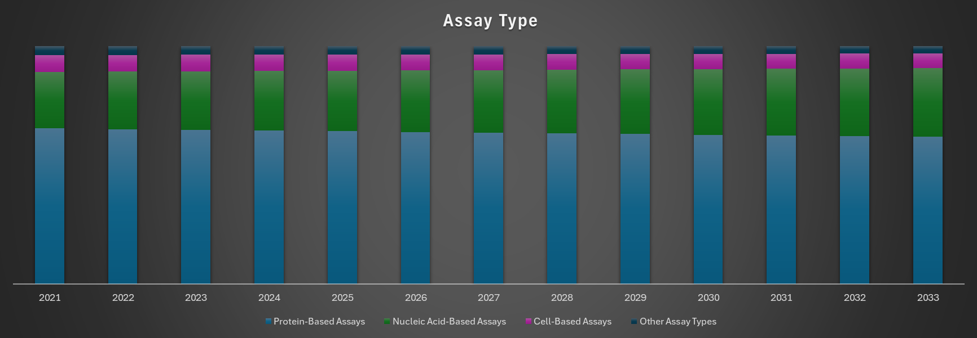

By Product and Service
By Product and Service (USD Million)

 | By Product and Service | 2021 | 2022 | 2023 | 2024 | 2025 | 2026 | 2027 | 2028 | 2029 | 2030 | 2031 | 2032 | 2033 | CAGR 2025-2033
 | Consumables
 | Instruments
 | Other Product and Services |  |  |  |  |  |  |  |  |  |  |  |  |  | 7.72%
 | Total |  |  | 220.07 |  |  |  |  |  |  |  |  |  | 500.98 | 8.47%

