Resources- Stakeholder Register
STAKEHOLDER REGISTER

PROJECT NAME |  | TAD Logistics Financial Strategy and Process Optimization Plan |  |  |  |  |  |  | BEGIN DATE | 2024-11-01
CLIENT |  | TAD Logistics |  |  |  |  |  |  | END DATE | 2025-07-30
POINT OF CONTACT |  | Nissrine Alqobai |  |  |  |  |  |  | DURATION | 8 months
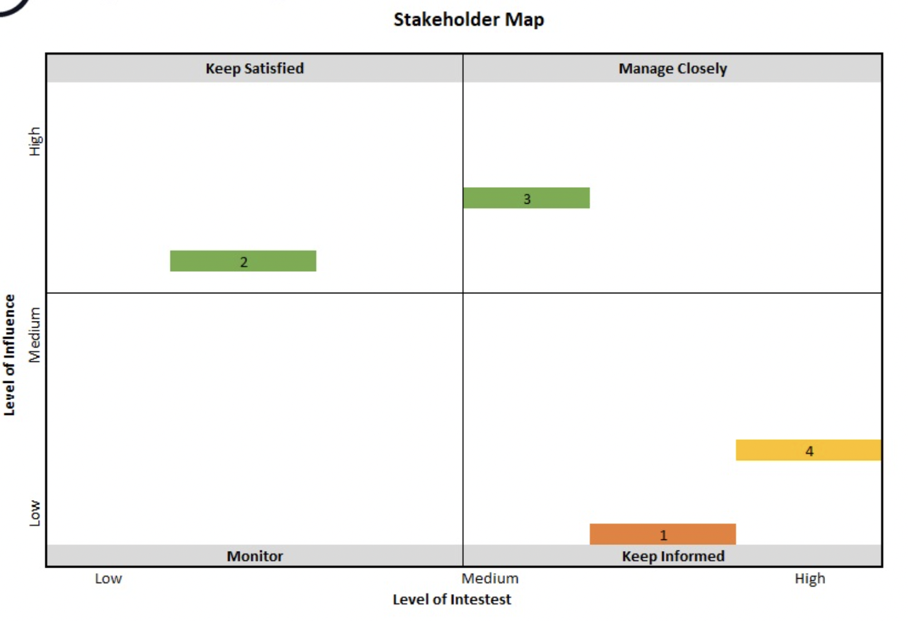
STAKEHOLDER REGISTER
OVERVIEW |  |  |  |  |  |  |  | CONTACT
Department | STAKEHOLDER Name | TITLE / ROLE | Influence/Power | Interest | Stake Holder Map | Goal of StakeHolder | Communication Method | ADDRESS | EMAIL | PHONE

Schedule - Project Milestones
 | Position |  | Date
Start | 20 | 11/1/22 | 0
Cat | 10 | 12/5/22 | 0
Website | -10 | 12/10/22 | 0
 | 25 |  | 0
 | -15 |  | 0
 | 15 |  | 0
 | -15 |  | 0
 | 15 |  | 0
 | -20 |  | 0
 | 20 |  | 0
 | -15 |  | 0
End | 15 | 1/23/23 | 0
 |  |  | 0
Project Milestones
Line chart that plots each milestone on the corresponding timeframe is in this cell.

Project Milestones
Date | Milestone | Assigned To | Position | Project Timeline Tip
2022-11-01 | Start |  | 20 | Use the Position field in the Project Milestones table to place the milestone labels where you want! Use positive numbers to position them above the timeline and negative numbers to position them below.
2022-12-05 | Cat |  | 10
2022-12-10 | Website |  | -10
 |  |  | 25
 |  |  | -15
 |  |  | 15
 |  |  | -15
 |  |  | 15
 |  |  | -20
 |  |  | 20
 |  |  | -15
2023-01-23 | End | Ali | 15

Risk - Tracking Template
Risk Tracking Template

Date of last review:
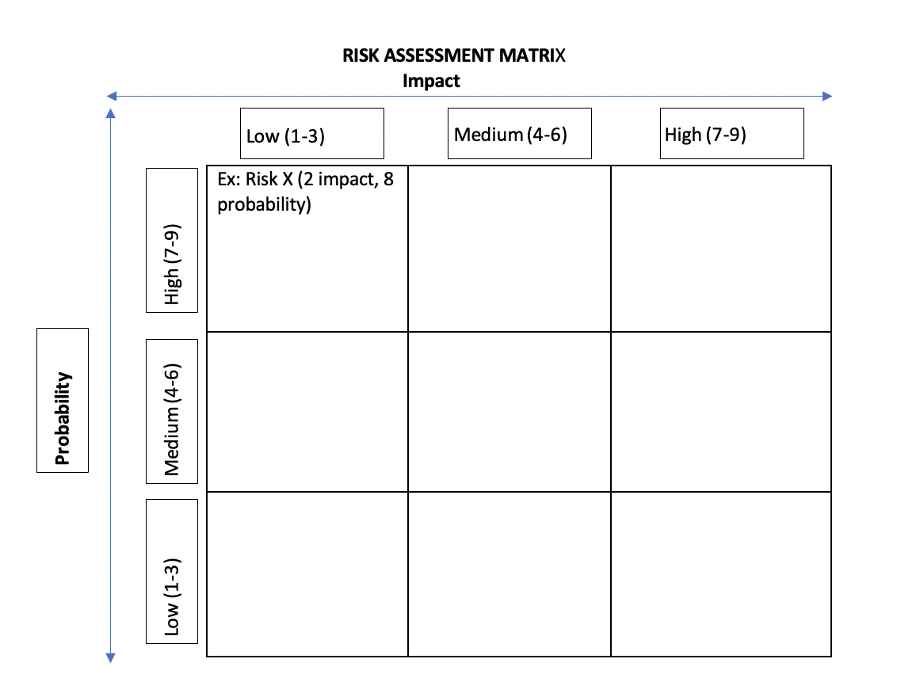
ID | Description of Risk | Impact | LIKLELIHOOD | IMPACT | Value | Risk Level | Risk Reponse | Risk owner | Notes
1 | Supplier delay | Pushes launch |  |  |  | High | Confirm delivery dates by Phase 2 | Clarissa | SAMPLE
2 | Factory availability | Cost overruns |  |  |  | High | Stakeholder trip to China | Dave, Rajesh & Nina | SAMPLE
3 | Steering committee unavailable | Delay launch marketing |  |  |  | Low | Define marketing plans in March | Tyrell | SAMPLE
4
5
6
7
8
9
10
11
12
13
14
15
16
17
18
19

